Order Form
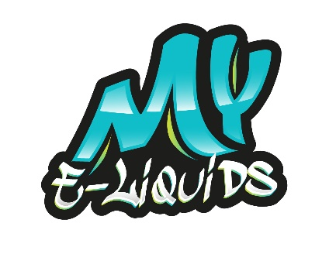

10ml Salts - ORDER FORM | 5mg | 10mg | 20mg | TOTAL
MY E-Liquids
Blue'z |  |  |  | 0
Pink Sweetys |  |  |  | 0
Strawberry Watermelon Lemonade |  |  |  | 0
Grappy |  |  |  | 0
Watermelon Ice |  |  |  | 0
Fruit Salad Chews |  |  |  | 0
Peach Raspberry |  |  |  | 0
Blackcurrant Ice |  |  |  | 0
Tropical |  |  |  | 0
Starbuzz |  |  |  | 0
Twisted Lolly |  |  |  | 0
Rainbow |  |  |  | 0
Mango |  |  |  | 0
Ice Menthol |  |  |  | 0
 |  |  | TOTAL | 0

DATE:
COMPANY NAME:
CONTACT NAME:
ADDRESS:

TEL:
EMAIL:
INSTAGRAM:

