Order Form
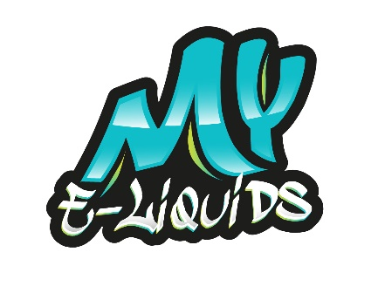

100ml Shortfills - ORDER FORM | TOTAL
MY E-Liquids
Blue'z
Pink Sweetys
Rainbow (New flavour)
Strawberry Watermelon Lemonade
Twister Lolly
 | 0

100ml Shortfill - ORDER FORM | TOTAL
MY Ice
Watermelon Ice (New Name Watermelon Mint)
Mango (New Flavour)
Blue Meth
Grappy
Blackcurrant Ice (New Flavour)
Blue Lips (New Flavour)
Grape (New flavour)
Berry Limonada
Blackcurrant Menthol (New Flavour)
Tutti Frutti
Tropical (New Flavour)
Blue Paan
 | 0

100ml Shortfill - ORDER FORM | TOTAL
MY Cheescakes
Bueno Cheescake
Raspberry Ripple Cheescake
Strawberry Cheescake
 | 0

DATE:
COMPANY NAME:
CONTACT NAME:
ADDRESS:

TEL:
EMAIL:
INSTAGRAM:

